
 |  |  |  | CODE: |  |  | pl1040 ab SN from 98l000
DESCRIPTION: |  | TANK |  | TANK | RESERVOIR | TANQUE
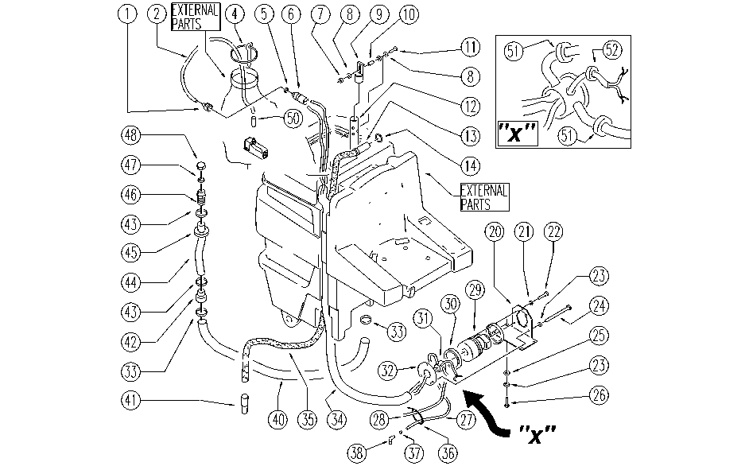

REF. | CODE | DESCRIPTION | QT
1 | E86692 | AS28 Coupling Clutch | 1
2 | SL19219 | HOSE | 1
4 | SL09680 | FRAME | 1
5 | E89233 | Gasket | 1
6 | E89271 | Coupling / clutch | 1
7 | E86853 | Nyloc Hex Nut, M8 Zinc | 1
8 | E86879 | Washer | 2
9 | E86922 | Plate for Drain Pipe | 1
10 | SL07112 | SPACER | 1
11 | E89464 | Screw | 1
12 | SL07319 | HOSE | 1
13 | E89470 | Sleeve | 1
14 | E89074 | Gasket for WS36 | 1
20 | SL09684 | SUPPORT | 1
21 | E86707 | Cham Washer D10 | 4
22 | SL04223 | SCREW | 4
23 | E86700 | Cham Washer D6 | 7
24 | SL04247 | SCREW | 3
25 | E86707 | Cham Washer D10 | 4
26 | E86706 | Screw TE M 6-16 | 4
27 | E89298 | Solution hose | 1
28 | E89299 | Solution hose | 1
29 | E86805 | Vacuum Motor AS30/36 | 1
30 | E86612 | Gasket for vacuum motor | 2
31 | SL07398 | CONNECTOR | 1
32 | SL09685 | FLANGE | 1
33 | E86557 | clamp AS30/36 | 2
34 | E86948 | Hose | 1
35 | E86848 | Vacuum Hose | 1
36 | E86460 | Cable tie 12" | 2
37 | E86751 | Clamp 10-16 | 2
38 | E86638 | Union Elbow | 2
40 | E86866 | Recovery Hose, Rhino | 1
41 | E86849 | Sleeve | 1
42 | E86965 | Connector | 1
43 | SL14079 | CLAMP | 2
44 | E86962 | Sheath, Drain Hose | 1
45 | E86961 | Adapter, Drain Hose | 1
46 | E86966 | Hose Holder | 1
47 | E86968 | Gasket | 1
48 | E86967 | Cap | 1
50 | MP19140 | SHEATH | 1
51 | E89272 | Fairlead cable guide | 2
52 | E89273 | Fairlead | 1

